TestSummary
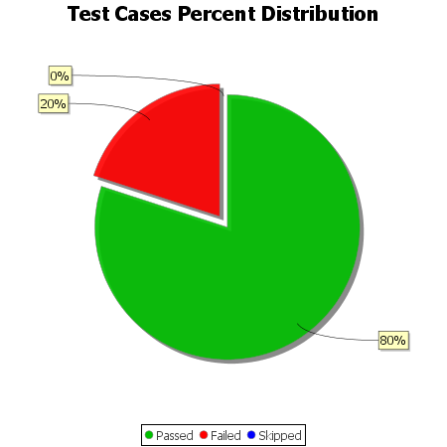
Total Test Cases | 10
Test Cases Passed | 8
Test Cases Failed | 2
Test Cases Skipped | 0

